Employment Shift
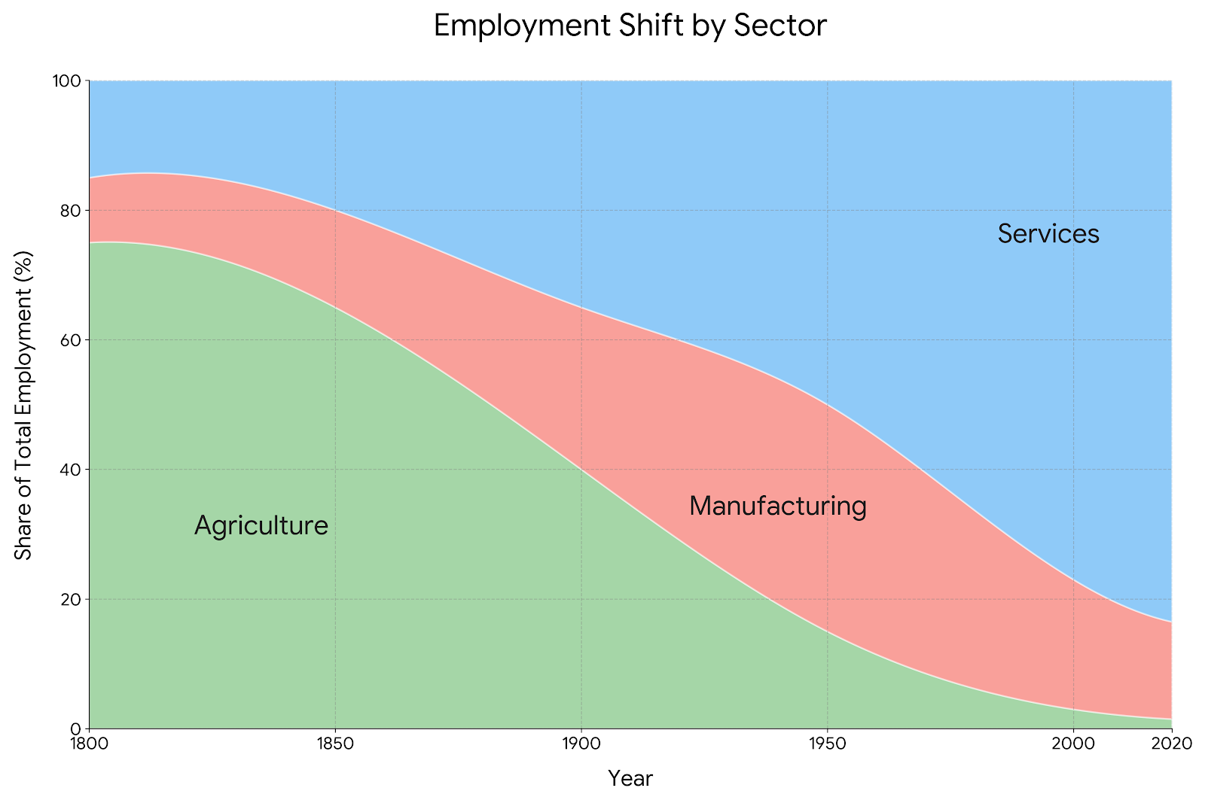
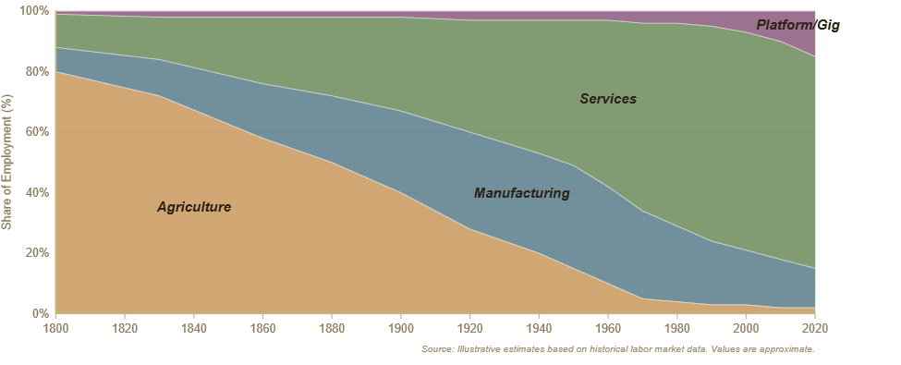
Employment Shift by Sector
Year | Agriculture | Manufacturing | Service
1800 | 75 | 10 | 15
1850 | 65 | 20 | 15
1900 | 40 | 30 | 30
1950 | 15 | 35 | 50
Service
Manufacturing
Agriculture
2000 | 5 | 25 | 70
2025 (Est.) | 2 | 18 | 80

Energy Efficiency
Historical Improvement in Engine Efficiency
Engine Type | Efficiency (%) | Solar-EV System (80%)
Early steam engines | 2% | 80%
Watt's improved engines | 4% | 80%
Gasoline engines | 25% | 80%
Diesel engines | 35% | 80%
Electric motors | 95% | 80%

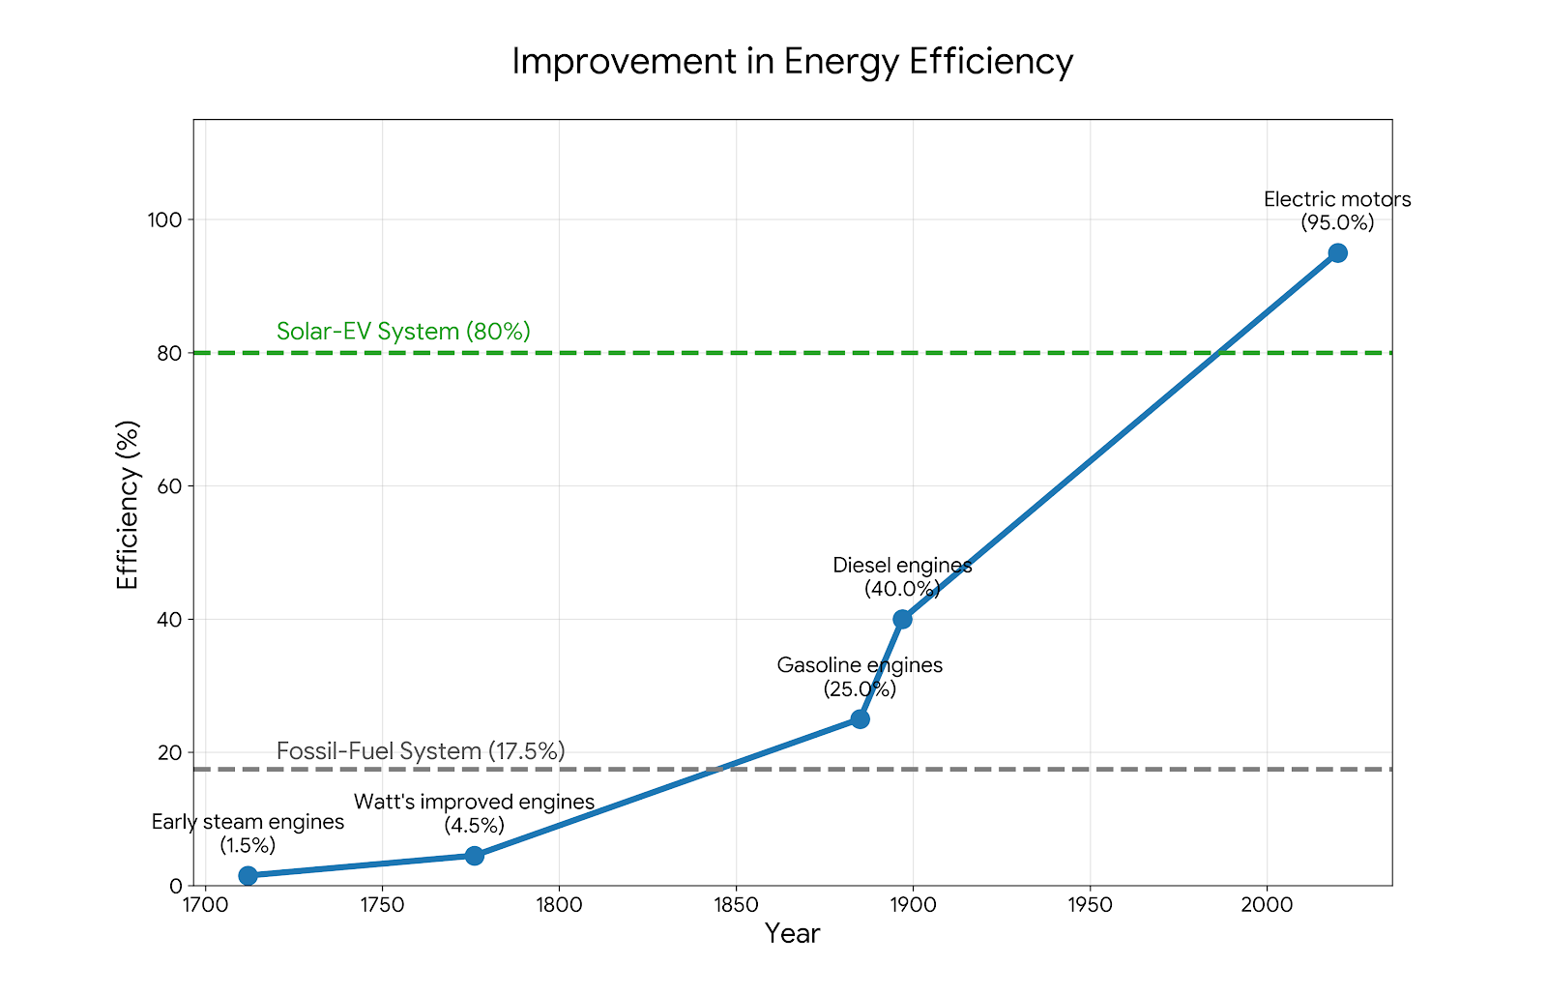

Year | Tech | Efficiency (%) | Fossil-Fuel System (17.5%) | Solar-EV System (80%)
1712 | Early steam engines | 1.5 | 17.5 | 80
1776 | Watt's improved engines | 4.5 | 17.5 | 80
1885 | Gasoline engines | 25 | 17.5 | 80
1897 | Diesel engines | 40 | 17.5 | 80
2020 | Electric motors | 95 | 17.5 | 80

Productivity Comparison
Productivity Comparison: Traditional vs. AI
Task Stage | Traditional Method (hrs) | AI-Assisted Method (hrs) | Time Savings (%)
Research & Data Collection | 27.5 | 2 | 92.70%
Structure Design | 5 | 1.5 | 70.00%
Draft Writing | 22.5 | 0.5 | 97.80%
Review & Final Editing | 9 | 8 | 11.10%
Total Sum | 64 | 12 | 81.30%

